Scoping Plan estimates
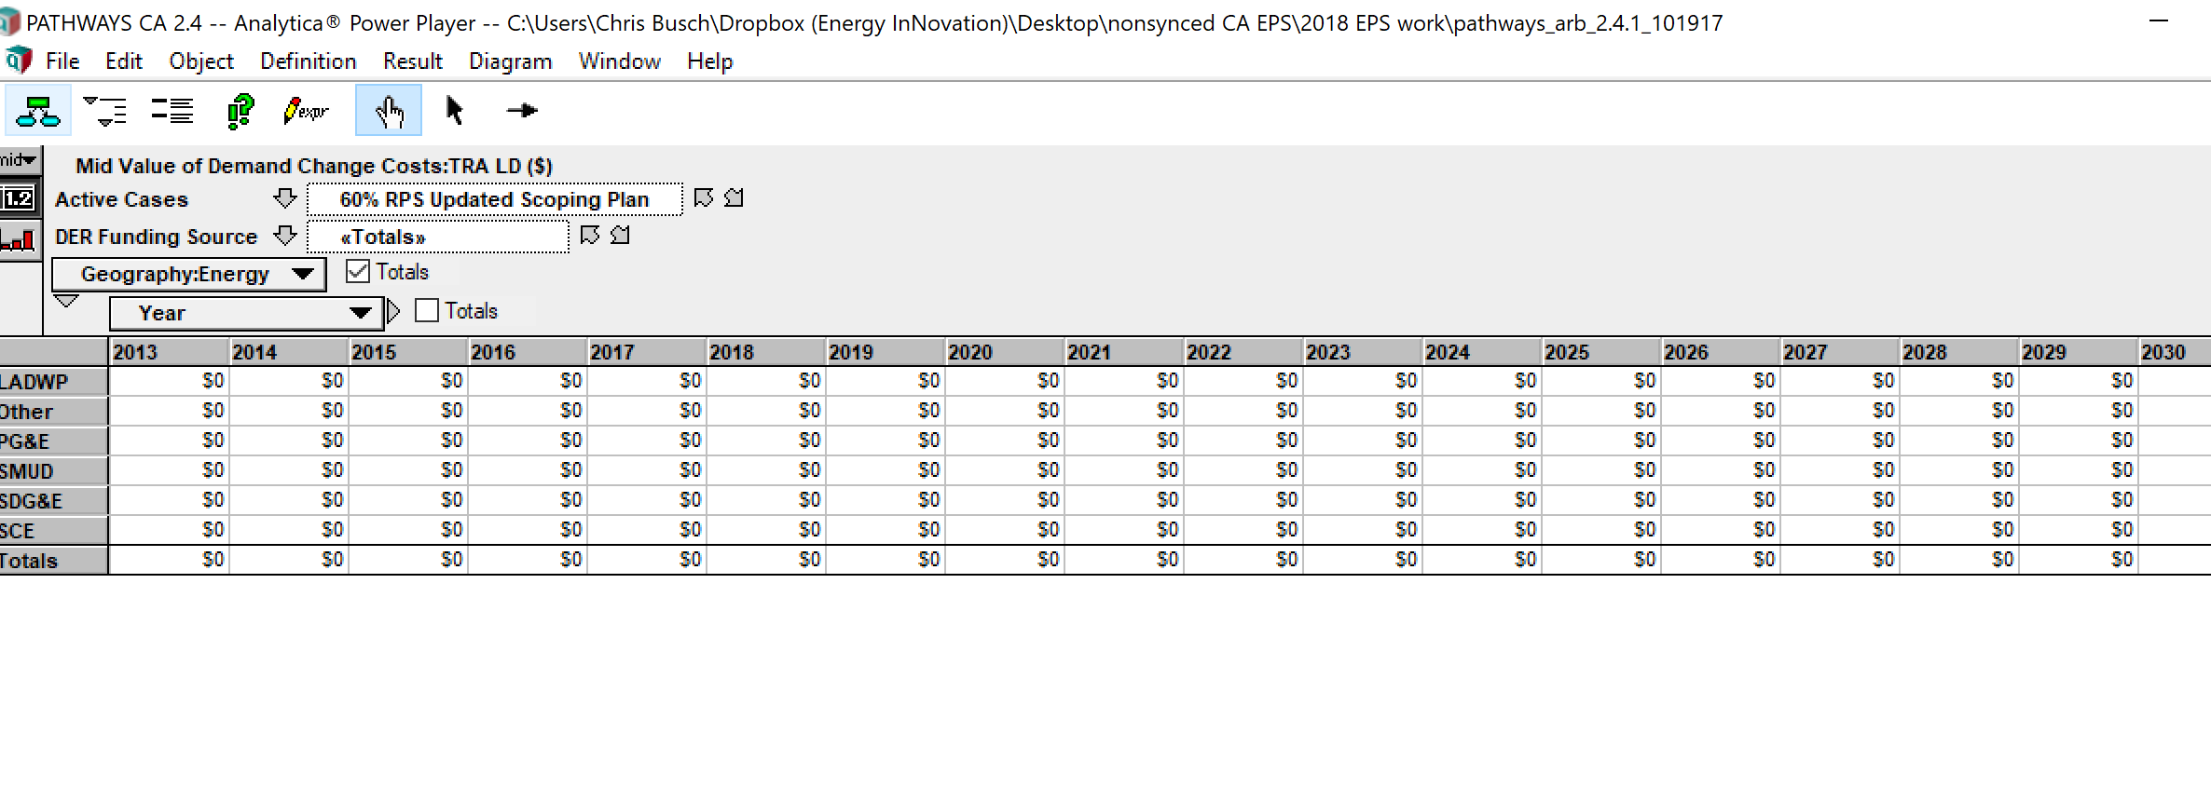
Vehicle Type | passengers | freight
LDVs | -0.157 | 0.000
HDVs | -0.023 | 0.000
aircraft | 0.000 | -0.250
rail | -0.142 | -0.250
ships | 0.000 | -0.250
motorbikes | -0.157 | 0.000

This is not directly relevant to this variable, but for future reference, note the cost of these policies is estimated as zero.

